Std Work Instructions
Instructions For Using Job Requirements and Build Issues File
Steps:
1. | Start by entering project date into the 'Global Input' worksheet. This will populate fields in
 | other worksheets.

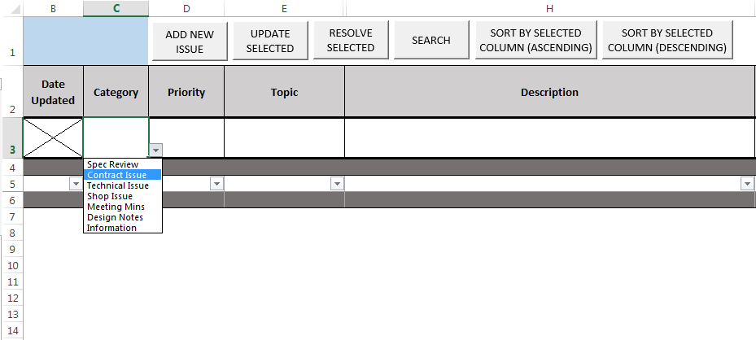
2. | Enter project specifications data into the 'Tech Docs Index' worksheet.

3. | Use the 'Project Tracker' worksheet to track the following:
 | a. Spec Review
 | b. Contract Issues
 | c. Technical Issues
 | d. Shop Issues
 | e. Meeting Minutes/Notes
 | f. Design Notes
 | g. Information

 | These are the choices available in the pull-down menu for the Category column.

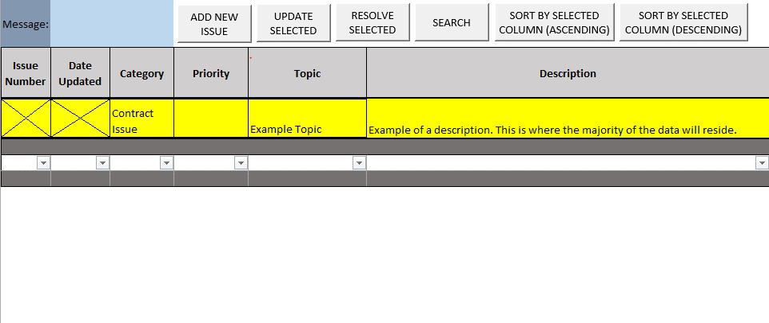
 |  |  |  | Pulldown showing the six category choices.
4. | Add a new line.
 | a. Enter data into the data-entry area in row 3. Do not enter data into the Issue Number
 | or Date Updated fields. These will be filled in automatically.

 | b. The user does not need to fill in every column. Changes can be made later.

 | c. Click the 'ADD NEW ISSUE' button. A new row has been added with a unique Issue
 | Number.

 |  |  |  | Data-entry area shown highlighted in yellow.

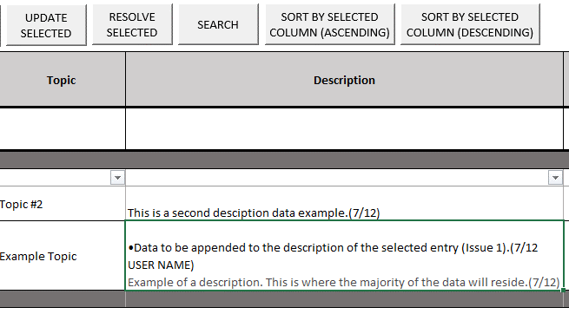
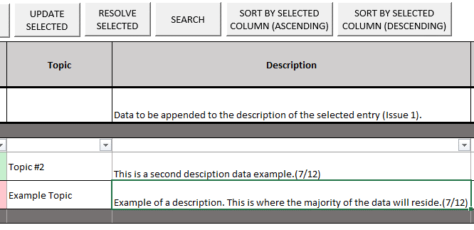
5. | Update a row.
 | a. To edit or add to the data in an existing row, enter the new data into the data entry
 | row. Data in the 'Description' column will be appended to the existing 'Description'.
 | Data in all other columns will replace the existing data.

 | b. Click on the row that is to be updated. It does not matter which column is selected. |  |  |  | →
 | Only existing entries can be updated. If an invalid row is selected, the user will get an
 | error in the blue message box.

 |  | Data has been entered into the data-entry row and will be appended to the selected row. |  |  |  | The entry has been updated.

6. | Mark an issue as 'Resolved'.
 | a. Click on the row containing the entry that has been resolved.

 | b. Click the 'Resolve Selected' button.

 | c. The row will turn blue and an 'X' will appear in the 'Issue Resolved?' column.

 |  |  | Issue 1 has been marked as resolved.
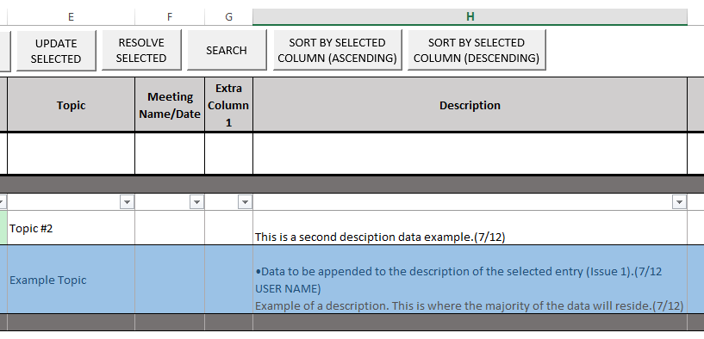

7. | Use the other features as desired. These include:
 | a. Search - Input search data in the data-entry row in one or more columns. Matches
 | will be pulled to the top of the worksheet.

 | b. Sort - Select a cell in the column by which to sort and click one of the 'Sort' buttons.

 | c. Hidden Columns - Some columns have been hidden, but can be used if needed.
 | Names of the columns marked 'Extra' can be changed.

 |  |  | Columns F and G have been unhidden.

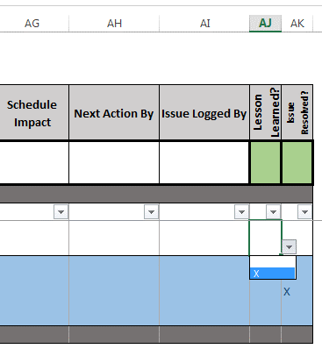
8. | Mark Lessons Learned in column 'AJ'.
 | If an entry contains data that should be communicated to other teams, mark it as a
 | Lesson Learned by selecting an X from the dropdown in column 'AJ'.

 | This can be done by using the 'Update Selected' button, or by editing the row directly

 | This will allow for data collection and compilation from multiple projects.

 |  | Entry is marked as a Lesson Learned.

Spec Book Covers


 | Spec Book |  |  | Spec Book | Spec Book | Spec Book

 | Specification Book for Order Enter Data on Input Sheet, Enter Data on Input Sheet

 |  |  |  | Specification Book for Order Enter Data on Input Sheet, Enter Data on Input Sheet | Specification Book for Order Enter Data on Input Sheet, Enter Data on Input Sheet | Specification Book for Order Enter Data on Input Sheet, Enter Data on Input Sheet

 |  | Book 1 of | 1

Sundyne Corporation

14845 WEST 64th AVENUE ▪ ARVADA, COLORADO 80007 USA ▪ 303-425-0800 ▪ FAX: 303-425-0869 ▪ www.sundyne.com
 |  |  |  | Book 1 of 1 | Book 1 of 1 | Book 1 of 1

